Arsany BR V4
ID | Title | Summary | Pre-condition | Test Data | Steps | Expected Result | Actual Result | priority | Severity | Evidence | State
BR_NC_01 | Verify New Customer Name | Verify that customer name doesn't accept empty field | System working Using chrome 27 or above Manger has correct credintials | customer name = "" Gender = male date of Birth = 02/23/1999 Address = 23 AL housary sq - Egypt City = october State = giza PIN = 123456 Mobile number = 01270038576 E-mail = test@gmail.com Password = "Arsany@@001" | 1-login as a manger 2-Navigate to New Customer 3-customer name = "" 4-Gender = male 5-date of Birth = 02/23/1999 6-Address = 23 AL housary sq Egypt 7-City = october 8-State = giza 9-PIN = 123456 10-Mobile number = 01270038576 11-E-mail = test@gmail.com 12-Password = "Arsany@@001" 13-Click on Submit | Error message that says " required " | error msg that say: Customer name must not be blank | low | low |  | Open
BR_NC_02 | Verify New Customer Name | Verify that customer name doesn't accept numbers | System working Using chrome 27 or above Manger has correct credintials | customer name = "Arsany1" Gender = male date of Birth = 02/23/1999 Address = 23 AL housary sq - Egypt City = october State = giza PIN = 123456 Mobile number = 01270038576 E-mail = test@gmail.com Password = "Arsany@@001" | 1-login as a manger 2-Navigate to New Customer 3-customer name = "Arsany1" 4-Gender = male 5-date of Birth = 02/23/1999 6-Address = 23 AL housary sq Egypt 7-City = october 8-State = giza 9-PIN = 123456 10-Mobile number = 01270038576 11-E-mail = test@gmail.com 12-Password = "Arsany@@001" 13-Click on Submit | Error message that says Customer Name field contains invalid data | error msg that say: Numbers are not allowed | low | low |  | Open
BR_NC_03 | Verify New Customer Name | Verify that customer name doesn't accept Special Characters | System working Using chrome 27 or above Manger has correct credintials | customer name = "@rsany" Gender = male date of Birth = 02/23/1999 Address = 23 AL housary sq - Egypt City = october State = giza PIN = 123456 Mobile number = 01270038576 E-mail = test@gmail.com Password = "Arsany@@001" | 1-login as a manger 2-Navigate to New Customer 3-customer name = "@rsany" 4-Gender = male 5-date of Birth = 02/23/1999 6-Address = 23 AL housary sq Egypt 7-City = october 8-State = giza 9-PIN = 123456 10-Mobile number = 01270038576 11-E-mail = test@gmail.com 12-Password = "Arsany@@001" 13-Click on Submit | Error message that says Customer Name field contains invalid data | error msg that say: Special characters are not allowed | low | low |  | Open
BR_NC_04 | Verify New Customer Name | Verify that customer name can't start with space | System working Using chrome 27 or above Manger has correct credintials | customer name = " Arsany" Gender = male date of Birth = 02/23/1999 Address = 23 AL housary sq - Egypt City = october State = giza PIN = 123456 Mobile number = 01270038576 E-mail = test@gmail.com Password = "Arsany@@001" | 1-login as a manger 2-Navigate to New Customer 3-customer name = " Arsany" 4-Gender = male 5-date of Birth = 02/23/1999 6-Address = 23 AL housary sq Egypt 7-City = october 8-State = giza 9-PIN = 123456 10-Mobile number = 01270038576 11-E-mail = test@gmail.com 12-Password = "Arsany@@001" 13-Click on Submit | Error message that says Customer Name field contains invalid data | error msg that say: First character can not have space | low | low |  | Open
BR_NC_10 | Verify New Customer Address | Verify that Address field can't be blank | System working Using chrome 27 or above Manger has correct credintials | customer name = "Arsany" Gender = male date of Birth = 02/23/1999 Address = City = october State = giza PIN = 123456 Mobile number = 01270038576 E-mail = test@gmail.com Password = "Arsany@@001" | 1-login as a manger 2-Navigate to New Customer 3-customer name = "Arsany" 4-Gender = male 5-date of Birth = 02/23/1999 6-Address = 7-City = october 8-State = giza 9-PIN = 123456 10-Mobile number = 01270038576 11-E-mail = test@gmail.com 12-Password = "Arsany@@001" 13-Click on Submit | Error message that says Address is required | error msg that say: Address Field must not be blank | low | low |  | Open
BR_NC_11 | Verify New Customer Address | Verify that Address field can't start with space | System working Using chrome 27 or above Manger has correct credintials | customer name = "Arsany" Gender = male date of Birth = 02/23/1999 Address = " 23 AL housary sq Egypt" City = october State = giza PIN = 123456 Mobile number = 01270038576 E-mail = test@gmail.com Password = "Arsany@@001" | 1-login as a manger 2-Navigate to New Customer 3-customer name = "Arsany" 4-Gender = male 5-date of Birth = 02/23/1999 6-Address = " 23 AL housary sq Egypt" 7-City = october 8-State = giza 9-PIN = 123456 10-Mobile number = 01270038576 11-E-mail = test@gmail.com 12-Password = "Arsany@@001" 13-Click on Submit | Error message that says Address field contains invalid data | error msg that say: First character can not have space | low | low |  | Open
BR_NC_12 | Verify New Customer Address | Verify that Address field doesn't accept special characters | System working Using chrome 27 or above Manger has correct credintials | customer name = "Arsany" Gender = male date of Birth = 02/23/1999 Address = "23 AL housary sq @Egypt" City = october State = giza PIN = 123456 Mobile number = 01270038576 E-mail = test@gmail.com Password = "Arsany@@001" | 1-login as a manger 2-Navigate to New Customer 3-customer name = "Arsany" 4-Gender = male 5-date of Birth = 02/23/1999 6-Address = "23 AL housary sq @Egypt" 7-City = october 8-State = giza 9-PIN = 123456 10-Mobile number = 01270038576 11-E-mail = test@gmail.com 12-Password = "Arsany@@001" 13-Click on Submit | Error message that says Address field contains invalid data | error msg that say: Special characters are not allowed | low | low |  | Open
BR_NC_14 | Verify New Customer City | Verify that city field can't be blank | System working Using chrome 27 or above Manger has correct credintials | customer name = "Arsany" Gender = male date of Birth = 02/23/1999 Address = "23 AL housary sq Egypt" City = State = giza PIN = 123456 Mobile number = 01270038576 E-mail = test@gmail.com Password = "Arsany@@001" | 1-login as a manger 2-Navigate to New Customer 3-customer name = "Arsany" 4-Gender = male 5-date of Birth = 02/23/1999 6-Address = "23 AL housary sq Egypt" 7-City = 8-State = giza 9-PIN = 123456 10-Mobile number = 01270038576 11-E-mail = test@gmail.com 12-Password = "Arsany@@001" 13-Click on Submit | Error message that says city is required | error msg that say: City Field must not be blank | low | low |  | Open
BR_NC_15 | Verify New Customer City | Verify that city field doesn't accept special characters | System working Using chrome 27 or above Manger has correct credintials | customer name = "Arsany" Gender = male date of Birth = 02/23/1999 Address = "23 AL housary sq Egypt" City = c@iro State = giza PIN = 123456 Mobile number = 01270038576 E-mail = test@gmail.com Password = "Arsany@@001" | 1-login as a manger 2-Navigate to New Customer 3-customer name = "Arsany" 4-Gender = male 5-date of Birth = 02/23/1999 6-Address = "23 AL housary sq Egypt" 7-City = c@iro 8-State = giza 9-PIN = 123456 10-Mobile number = 01270038576 11-E-mail = test@gmail.com 12-Password = "Arsany@@001" 13-Click on Submit | Error message that says city field contains invalid data | error msg that say: Special characters are not allowed | low | low |  | Open
BR_NC_16 | Verify New Customer City | Verify that city field doesn't accept numbers | System working Using chrome 27 or above Manger has correct credintials | customer name = "Arsany" Gender = male date of Birth = 02/23/1999 Address = "23 AL housary sq Egypt" City = cairo2 State = giza PIN = 123456 Mobile number = 01270038576 E-mail = test@gmail.com Password = "Arsany@@001" | 1-login as a manger 2-Navigate to New Customer 3-customer name = "Arsany" 4-Gender = male 5-date of Birth = 02/23/1999 6-Address = "23 AL housary sq Egypt" 7-City = cairo2 8-State = giza 9-PIN = 123456 10-Mobile number = 01270038576 11-E-mail = test@gmail.com 12-Password = "Arsany@@001" 13-Click on Submit | Error message that says city field contains invalid data | error msg that say: Numbers are not allowed | low | low |  | Open
BR_NC_17 | Verify New Customer City | Verify that city field can't start with space | System working Using chrome 27 or above Manger has correct credintials | customer name = "Arsany" Gender = male date of Birth = 02/23/1999 Address = "23 AL housary sq Egypt" City = " cairo" State = "giza" PIN = 123456 Mobile number = 01270038576 E-mail = test@gmail.com Password = "Arsany@@001" | 1-login as a manger 2-Navigate to New Customer 3-customer name = "Arsany" 4-Gender = male 5-date of Birth = 02/23/1999 6-Address = "23 AL housary sq Egypt" 7-City = " cairo" 8-State = giza 9-PIN = 123456 10-Mobile number = 01270038576 11-E-mail = test@gmail.com 12-Password = "Arsany@@001" 13-Click on Submit | Error message that says city field contains invalid data | error msg that say: First character can not have space | low | low | 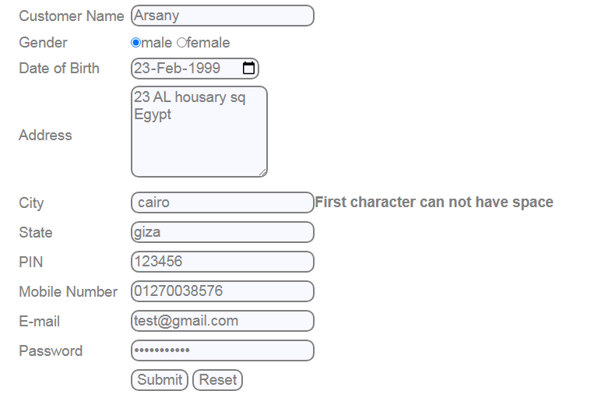 | Open
BR_NC_19 | Verify New State | Verify that state field can't be blank | System working Using chrome 27 or above Manger has correct credintials | customer name = "Arsany" Gender = male date of Birth = 02/23/1999 Address = "23 AL housary sq Egypt" City = october State = PIN = 123456 Mobile number = 01270038576 E-mail = test@gmail.com Password = "Arsany@@001" | 1-login as a manger 2-Navigate to New Customer 3-customer name = "Arsany" 4-Gender = male 5-date of Birth = 02/23/1999 6-Address = "23 AL housary sq Egypt" 7-City = october 8-State = 9-PIN = 123456 10-Mobile number = 01270038576 11-E-mail = test@gmail.com 12-Password = "Arsany@@001" 13-Click on Submit | Error message that state is required | error msg that say: State must not be blank | low | low |  | Open
BR_NC_20 | Verify New State | Verify that state field can't have numbers | System working Using chrome 27 or above Manger has correct credintials | customer name = "Arsany" Gender = male date of Birth = 02/23/1999 Address = "23 AL housary sq Egypt" City = october State = giza12 PIN = 123456 Mobile number = 01270038576 E-mail = test@gmail.com Password = "Arsany@@001" | 1-login as a manger 2-Navigate to New Customer 3-customer name = "Arsany" 4-Gender = male 5-date of Birth = 02/23/1999 6-Address = "23 AL housary sq Egypt" 7-City = october 8-State = giza12 9-PIN = 123456 10-Mobile number = 01270038576 11-E-mail = test@gmail.com 12-Password = "Arsany@@001" 13-Click on Submit | Error message that state field contains invalid data | error msg that say: Numbers are not allowed | low | low |  | Open
BR_NC_21 | Verify New State | Verify that state field can't have special characters | System working Using chrome 27 or above Manger has correct credintials | customer name = "Arsany" Gender = male date of Birth = 02/23/1999 Address = "23 AL housary sq Egypt" City = october State = giz@ PIN = 123456 Mobile number = 01270038576 E-mail = test@gmail.com Password = "Arsany@@001" | 1-login as a manger 2-Navigate to New Customer 3-customer name = "Arsany" 4-Gender = male 5-date of Birth = 02/23/1999 6-Address = "23 AL housary sq Egypt" 7-City = october 8-State = giz@ 9-PIN = 123456 10-Mobile number = 01270038576 11-E-mail = test@gmail.com 12-Password = "Arsany@@001" 13-Click on Submit | Error message that state field contains invalid data | error msg that say: Special characters are not allowed | low | low |  | Open
BR_NC_22 | Verify New State | Verify that state field can't start with space | System working Using chrome 27 or above Manger has correct credintials | customer name = "Arsany" Gender = male date of Birth = 02/23/1999 Address = "23 AL housary sq Egypt" City = october State = " giza" PIN = 123456 Mobile number = 01270038576 E-mail = test@gmail.com Password = "Arsany@@001" | 1-login as a manger 2-Navigate to New Customer 3-customer name = "Arsany" 4-Gender = male 5-date of Birth = 02/23/1999 6-Address = "23 AL housary sq Egypt" 7-City = october 8-State = " giza" 9-PIN = 123456 10-Mobile number = 01270038576 11-E-mail = test@gmail.com 12-Password = "Arsany@@001" 13-Click on Submit | Error message that state field contains invalid data | error msg that say: First character can not have space | low | low |  | Open
BR_NC_24 | Verify customer pin | Verify that PIN can't have characters | System working Using chrome 27 or above Manger has correct credintials | customer name = "Arsany" Gender = male date of Birth = 02/23/1999 Address = "23 AL housary sq Egypt" City = october State = "giza" PIN = 12345A Mobile number = 01270038576 E-mail = test@gmail.com Password = "Arsany@@001" | 1-login as a manger 2-Navigate to New Customer 3-customer name = "Arsany" 4-Gender = male 5-date of Birth = 02/23/1999 6-Address = "23 AL housary sq Egypt" 7-City = october 8-State = "giza" 9-PIN = 12345A 10-Mobile number = 01270038576 11-E-mail = test@gmail.com 12-Password = "Arsany@@001" 13-Click on Submit | Error message that PIN Field contains invalid data | error msg that say: Characters are not allowed | low | low |  | Open
BR_NC_25 | Verify customer pin | Verify that PIN can't be blank | System working Using chrome 27 or above Manger has correct credintials | customer name = "Arsany" Gender = male date of Birth = 02/23/1999 Address = "23 AL housary sq Egypt" City = october State = "giza" PIN = Mobile number = 01270038576 E-mail = test@gmail.com Password = "Arsany@@001" | 1-login as a manger 2-Navigate to New Customer 3-customer name = "Arsany" 4-Gender = male 5-date of Birth = 02/23/1999 6-Address = "23 AL housary sq Egypt" 7-City = october 8-State = "giza" 9-PIN = 10-Mobile number = 01270038576 11-E-mail = test@gmail.com 12-Password = "Arsany@@001" 13-Click on Submit | Error message that PIN is required | error msg that say: PIN Code must not be blank | low | low |  | Open
BR_NC_26 | Verify customer pin | Verify that PIN can't contain special characters | System working Using chrome 27 or above Manger has correct credintials | customer name = "Arsany" Gender = male date of Birth = 02/23/1999 Address = "23 AL housary sq Egypt" City = october State = "giza" PIN = 123@43 Mobile number = 01270038576 E-mail = test@gmail.com Password = "Arsany@@001" | 1-login as a manger 2-Navigate to New Customer 3-customer name = "Arsany" 4-Gender = male 5-date of Birth = 02/23/1999 6-Address = "23 AL housary sq Egypt" 7-City = october 8-State = " giza" 9-PIN = 123@43 10-Mobile number = 01270038576 11-E-mail = test@gmail.com 12-Password = "Arsany@@001" 13-Click on Submit | Error message that PIN Field contains invalid data | error msg that say: Special characters are not allowed | low | low |  | Open
BR_NC_28 | Verify customer pin | Verify that PIN is 6 digits only | System working Using chrome 27 or above Manger has correct credintials | customer name = "Arsany" Gender = male date of Birth = 02/23/1999 Address = "23 AL housary sq Egypt" City = october State = "giza" PIN = 1234366 Mobile number = 01270038576 E-mail = test@gmail.com Password = "Arsany@@001" | 1-login as a manger 2-Navigate to New Customer 3-customer name = "Arsany" 4-Gender = male 5-date of Birth = 02/23/1999 6-Address = "23 AL housary sq Egypt" 7-City = october 8-State = "giza" 9-PIN = 1234366 10-Mobile number = 01270038576 11-E-mail = test@gmail.com 12-Password = "Arsany@@001" 13-Click on Submit | Error message that PIN must be 6 digits | The system refuse to accept any number more than only 6 digits | low | low |  | Open
BR_NC_29 | Verify customer pin | Verify that PIN can't start with space | System working Using chrome 27 or above Manger has correct credintials | customer name = "Arsany" Gender = male date of Birth = 02/23/1999 Address = "23 AL housary sq Egypt" City = october State = "giza" PIN = " 123456" Mobile number = 01270038576 E-mail = test@gmail.com Password = "Arsany@@001" | 1-login as a manger 2-Navigate to New Customer 3-customer name = "Arsany" 4-Gender = male 5-date of Birth = 02/23/1999 6-Address = "23 AL housary sq Egypt" 7-City = october 8-State = "giza" 9-PIN = " 123456" 10-Mobile number = 01270038576 11-E-mail = test@gmail.com 12-Password = "Arsany@@001" 13-Click on Submit | Error message that PIN Field contains invalid data | error msg that say: First character can not have space | low | low |  | Open
BR_NC_31 | Verify customer Telephone | Verify that Telephone number is not blank | System working Using chrome 27 or above Manger has correct credintials | customer name = "Arsany" Gender = male date of Birth = 02/23/1999 Address = "23 AL housary sq Egypt" City = october State = "giza" PIN = " 123456" Mobile number = "" E-mail = test@gmail.com Password = "Arsany@@001" | 1-login as a manger 2-Navigate to New Customer 3-customer name = "Arsany" 4-Gender = male 5-date of Birth = 02/23/1999 6-Address = "23 AL housary sq Egypt" 7-City = october 8-State = " giza" 9-PIN = " 123456" 10-Mobile number = "" 11-E-mail = test@gmail.com 12-Password = "Arsany@@001" 13-Click on Submit | Error message that Telephone number is required | error msg that say: Mobile no must not be blank | low | low |  | Open
BR_NC_32 | Verify customer Telephone | Verify that Telephone number doesn't contain special character | System working Using chrome 27 or above Manger has correct credintials | customer name = "Arsany" Gender = male date of Birth = 02/23/1999 Address = "23 AL housary sq Egypt" City = october State = "giza" PIN = "123456" Mobile number = "@1270038576" E-mail = test@gmail.com Password = "Arsany@@001" | 1-login as a manger 2-Navigate to New Customer 3-customer name = "Arsany" 4-Gender = male 5-date of Birth = 02/23/1999 6-Address = "23 AL housary sq Egypt" 7-City = october 8-State = "giza" 9-PIN = "123456" 10-Mobile number = "@1270038576" 11-E-mail = test@gmail.com 12-Password = "Arsany@@001" 13-Click on Submit | Error message that Telephone number contains invalid data | error msg that say: Special characters are not allowed | low | low |  | Open
BR_NC_33 | Verify customer Telephone | Verify that Telephone number doesn't contain characters | System working Using chrome 27 or above Manger has correct credintials | customer name = "Arsany" Gender = male date of Birth = 02/23/1999 Address = "23 AL housary sq Egypt" City = october State = "giza" PIN = "123456" Mobile number = "c1270038576" E-mail = test@gmail.com Password = "Arsany@@001" | 1-login as a manger 2-Navigate to New Customer 3-customer name = "Arsany" 4-Gender = male 5-date of Birth = 02/23/1999 6-Address = "23 AL housary sq Egypt" 7-City = october 8-State = "giza" 9-PIN = "123456" 10-Mobile number = "c1270038576" 11-E-mail = test@gmail.com 12-Password = "Arsany@@001" 13-Click on Submit | Error message that Telephone number contains invalid data | error msg that say: Characters are not allowed | low | low |  | Open
BR_NC_34 | Verify customer Telephone | Verify that Telephone number doesn't start with space | System working Using chrome 27 or above Manger has correct credintials | customer name = "Arsany" Gender = male date of Birth = 02/23/1999 Address = "23 AL housary sq Egypt" City = october State = "giza" PIN = "123456" Mobile number = " 01270038576" E-mail = test@gmail.com Password = "Arsany@@001" | 1-login as a manger 2-Navigate to New Customer 3-customer name = "Arsany" 4-Gender = male 5-date of Birth = 02/23/1999 6-Address = "23 AL housary sq Egypt" 7-City = october 8-State = "giza" 9-PIN = "123456" 10-Mobile number = " 01270038576" 11-E-mail = test@gmail.com 12-Password = "Arsany@@001" 13-Click on Submit | Error message that Telephone number contains invalid data | error msg that say: First character can not have space | low | low |  | Open
BR_NC_36 | Verify customer Email | Verify that email can't be blank | System working Using chrome 27 or above Manger has correct credintials | customer name = "Arsany" Gender = male date of Birth = 02/23/1999 Address = "23 AL housary sq Egypt" City = october State = "giza" PIN = "123456" Mobile number = "01270038576" E-mail = "" Password = "Arsany@@001" | 1-login as a manger 2-Navigate to New Customer 3-customer name = "Arsany" 4-Gender = male 5-date of Birth = 02/23/1999 6-Address = "23 AL housary sq Egypt" 7-City = october 8-State = "giza" 9-PIN = "123456" 10-Mobile number = "01270038576" 11-E-mail = "" 12-Password = "Arsany@@001" 13-Click on Submit | Error message that Email field is required | error msg that say: Email-ID must not be blank | low | low |  | Open
BR_NC_37 | Verify customer Email | Verify that email is in valid criteria | System working Using chrome 27 or above Manger has correct credintials | customer name = "Arsany" Gender = male date of Birth = 02/23/1999 Address = "23 AL housary sq Egypt" City = october State = "giza" PIN = "123456" Mobile number = "01270038576" E-mail = "kokososo@gmail.koko" Password = "Arsany@@001" | 1-login as a manger 2-Navigate to New Customer 3-customer name = "Arsany" 4-Gender = male 5-date of Birth = 02/23/1999 6-Address = "23 AL housary sq Egypt" 7-City = october 8-State = "giza" 9-PIN = "123456" 10-Mobile number = "01270038576" 11-E-mail = "kokososo@gmail.koko" 12-Password = "Arsany@@001" 13-Click on Submit | Error message that Email field contains invalid data | No error message , the system navigates to manger dashboard | high | high |  | Open
BR_NC_38 | Verify customer Email | Verify that email doesn't start with space | System working Using chrome 27 or above Manger has correct credintials | customer name = "Arsany" Gender = male date of Birth = 02/23/1999 Address = "23 AL housary sq Egypt" City = october State = "giza" PIN = "123456" Mobile number = "01270038576" E-mail = " kokososo@gmail.com" Password = "Arsany@@001" | 1-login as a manger 2-Navigate to New Customer 3-customer name = "Arsany" 4-Gender = male 5-date of Birth = 02/23/1999 6-Address = "23 AL housary sq Egypt" 7-City = october 8-State = "giza" 9-PIN = "123456" 10-Mobile number = "01270038576" 11-E-mail = " kokososo@gmail.com" 12-Password = "Arsany@@001" 13-Click on Submit | Error message that Email field contains invalid data | error msg that say: First character can not have space | low | low |  | Open
BR_NC_44 | Verify password field | Verify that password must be at least 10 characters with valid criteria ( 1 Capital 1 Small 1 special char 1 number ) | System working Using chrome 27 or above Manger has correct credintials | customer name = "Arsany" Gender = male date of Birth = 02/23/1999 Address = "23 AL housary sq Egypt" City = october State = "giza" PIN = "123456" Mobile number = "01270038576" E-mail = "kokososo@gmail.com" Password = "Ar@@001" | 1-login as a manger 2-Navigate to New Customer 3-customer name = "Arsany" 4-Gender = male 5-date of Birth = 02/23/1999 6-Address = "23 AL housary sq Egypt" 7-City = october 8-State = "giza" 9-PIN = "123456" 10-Mobile number = "01270038576" 11-E-mail = "kokososo@gmail.com" 12-Password = "Ar@@001" 13-Click on Submit | Error message that password must bet at least 10 characters | System accepts data and navigates the manager dashboard | high | high | 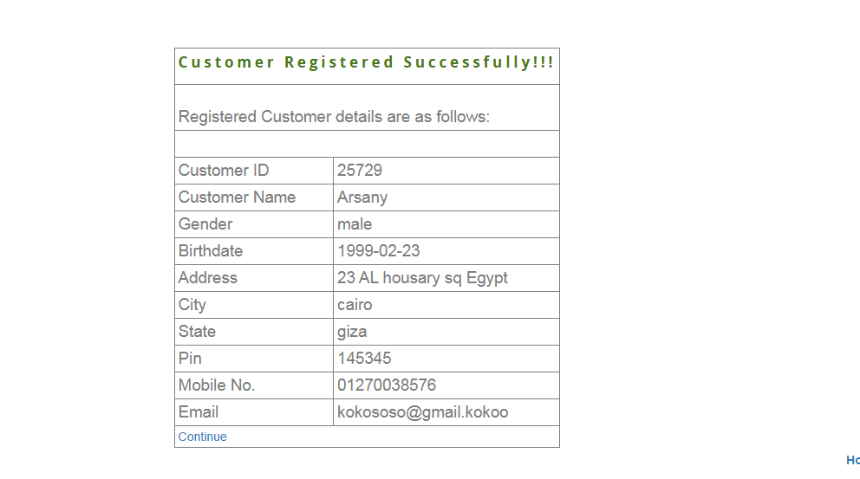 | Open
BR_NC_45 | Verify password field | Verify that password can't exceed 15 characters with valid criteria ( 1 Capital 1 Small 1 special char 1 number ) | System working Using chrome 27 or above Manger has correct credintials | customer name = "Arsany" Gender = male date of Birth = 02/23/1999 Address = "23 AL housary sq Egypt" City = october State = "giza" PIN = "123456" Mobile number = "01270038576" E-mail = "kokososo@gmail.com" Password = "Ara@@00000000001" | 1-login as a manger 2-Navigate to New Customer 3-customer name = "Arsany" 4-Gender = male 5-date of Birth = 02/23/1999 6-Address = "23 AL housary sq Egypt" 7-City = october 8-State = "giza" 9-PIN = "123456" 10-Mobile number = "01270038576" 11-E-mail = "kokososo@gmail.com" 12-Password = "Ara@@00000000001" 13-Click on Submit | Error message that password can't exceed 15 characters | System accepts data and navigates the manager dashboard | high | high |  | Open
BR_NC_46 | Verify password field | Verify that password must contain 1 capital letter | System working Using chrome 27 or above Manger has correct credintials | customer name = "Arsany" Gender = male date of Birth = 02/23/1999 Address = "23 AL housary sq Egypt" City = october State = "giza" PIN = "123456" Mobile number = "01270038576" E-mail = "kokososo@gmail.com" Password = "ara@@00000001" | 1-login as a manger 2-Navigate to New Customer 3-customer name = "Arsany" 4-Gender = male 5-date of Birth = 02/23/1999 6-Address = "23 AL housary sq Egypt" 7-City = october 8-State = "giza" 9-PIN = "123456" 10-Mobile number = "01270038576" 11-E-mail = "kokososo@gmail.com" 12-Password = "ara@@00000001" 13-Click on Submit | Error message that password must contain a capital letter | System accepts data and navigates the manager dashboard | high | high |  | Open
BR_NC_47 | Verify password field | Verify that password must contain at least 1 special character | System working Using chrome 27 or above Manger has correct credintials | customer name = "Arsany" Gender = male date of Birth = 02/23/1999 Address = "23 AL housary sq Egypt" City = october State = "giza" PIN = "123456" Mobile number = "01270038576" E-mail = "kokososo@gmail.com" Password = "ara00000001" | 1-login as a manger 2-Navigate to New Customer 3-customer name = "Arsany" 4-Gender = male 5-date of Birth = 02/23/1999 6-Address = "23 AL housary sq Egypt" 7-City = october 8-State = "giza" 9-PIN = "123456" 10-Mobile number = "01270038576" 11-E-mail = "kokososo@gmail.com" 12-Password = "ara00000001" 13-Click on Submit | Error message that password must contain a special character | System accepts data and navigates the manager dashboard | high | high |  | Open
BR_NC_48 | Verify password field | Verify that password must contain at least 1 number | System working Using chrome 27 or above Manger has correct credintials | customer name = "Arsany" Gender = male date of Birth = 02/23/1999 Address = "23 AL housary sq Egypt" City = october State = "giza" PIN = "123456" Mobile number = "01270038576" E-mail = "kokososo@gmail.com" Password = "ara@@sadasd" | 1-login as a manger 2-Navigate to New Customer 3-customer name = "Arsany" 4-Gender = male 5-date of Birth = 02/23/1999 6-Address = "23 AL housary sq Egypt" 7-City = october 8-State = "giza" 9-PIN = "123456" 10-Mobile number = "01270038576" 11-E-mail = "kokososo@gmail.com" 12-Password = "ara@@sadasd" 13-Click on Submit | Error message that password must contain number | System accepts data and navigates the manager dashboard | high | high |  | Open

ArsanyBR V2
ID | Title | Summary | Test Data | Steps | Expected Result | Actual Result | priority | Severity | Evidence | State
BR_NC_10 | Verify New Customer Address | Error message for leaving address empty is different from requirments | customer name = "Arsany" Gender = male date of Birth = 02/23/1999 Address = City = october State = giza PIN = 123456 Mobile number = 01270038576 E-mail = test@gmail.com Password = "Arsany@@001" | 1-login as a manger 2-Navigate to New Customer 3-customer name = "Arsany" 4-Gender = male 5-date of Birth = 02/23/1999 6-Address = 7-City = october 8-State = giza 9-PIN = 123456 10-Mobile number = 01270038576 11-E-mail = test@gmail.com 12-Password = "Arsany@@001" 13-Click on Submit | Error message that says Address is required | Error message "Address Field must be not blank" | low | low |  | Open
BR_NC_11 | Verify New Customer Address | Error message for starting address with space is different from requirments | customer name = "Arsany" Gender = male date of Birth = 02/23/1999 Address = " 23 AL housary sq Egypt" City = october State = giza PIN = 123456 Mobile number = 01270038576 E-mail = test@gmail.com Password = "Arsany@@001" | 1-login as a manger 2-Navigate to New Customer 3-customer name = "Arsany" 4-Gender = male 5-date of Birth = 02/23/1999 6-Address = " 23 AL housary sq Egypt" 7-City = october 8-State = giza 9-PIN = 123456 10-Mobile number = 01270038576 11-E-mail = test@gmail.com 12-Password = "Arsany@@001" 13-Click on Submit | Error message that says Address field contains invalid data | Error message "First cahracter can not have space" | low | low |  | Open
BR_NC_12 | Verify New Customer Address | Error message for entering special characters in address is different from requirments | customer name = "Arsany" Gender = male date of Birth = 02/23/1999 Address = "23 AL housary sq @Egypt" City = october State = giza PIN = 123456 Mobile number = 01270038576 E-mail = test@gmail.com Password = "Arsany@@001" | 1-login as a manger 2-Navigate to New Customer 3-customer name = "Arsany" 4-Gender = male 5-date of Birth = 02/23/1999 6-Address = "23 AL housary sq @Egypt" 7-City = october 8-State = giza 9-PIN = 123456 10-Mobile number = 01270038576 11-E-mail = test@gmail.com 12-Password = "Arsany@@001" 13-Click on Submit | Error message that says Address field contains invalid data | Error message "Special characters are not allowed" | low | low |  | Open
BR_NC_17 | Verify New Customer City | Error message for starting city with space is different from requirments | customer name = "Arsany" Gender = male date of Birth = 02/23/1999 Address = "23 AL housary sq Egypt" City = " cairo" State = "giza" PIN = 123456 Mobile number = 01270038576 E-mail = test@gmail.com Password = "Arsany@@001" | 1-login as a manger 2-Navigate to New Customer 3-customer name = "Arsany" 4-Gender = male 5-date of Birth = 02/23/1999 6-Address = "23 AL housary sq Egypt" 7-City = " cairo" 8-State = giza 9-PIN = 123456 10-Mobile number = 01270038576 11-E-mail = test@gmail.com 12-Password = "Arsany@@001" 13-Click on Submit | Error message that says city field contains invalid data | Error message "First character can not have space" | low | low | 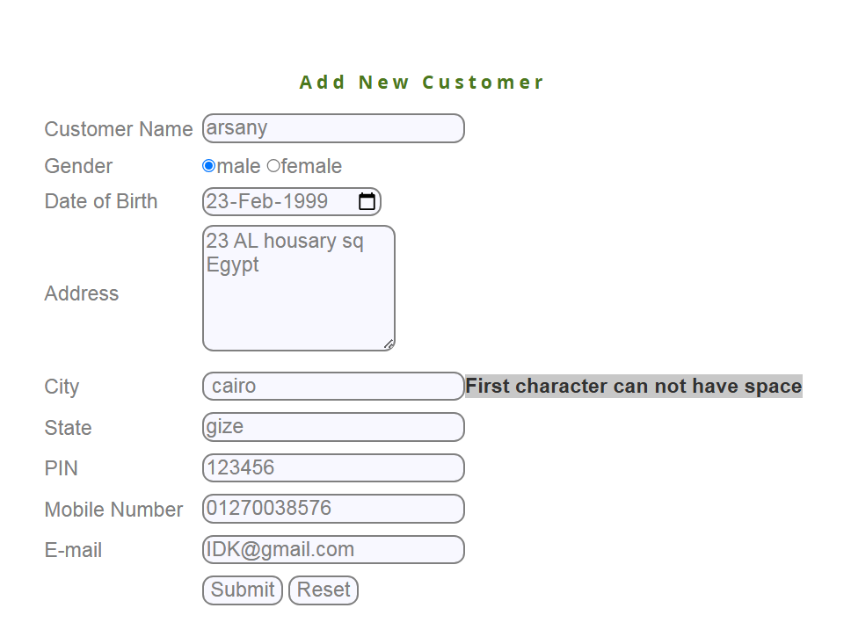 | Open
BR_NC_22 | Verify New State | Error message for starting state field with space is different from requirments | customer name = "Arsany" Gender = male date of Birth = 02/23/1999 Address = "23 AL housary sq Egypt" City = october State = " giza" PIN = 123456 Mobile number = 01270038576 E-mail = test@gmail.com Password = "Arsany@@001" | 1-login as a manger 2-Navigate to New Customer 3-customer name = "Arsany" 4-Gender = male 5-date of Birth = 02/23/1999 6-Address = "23 AL housary sq Egypt" 7-City = october 8-State = " giza" 9-PIN = 123456 10-Mobile number = 01270038576 11-E-mail = test@gmail.com 12-Password = "Arsany@@001" 13-Click on Submit | Error message that state field contains invalid data | Error message " First Character can not have space" | low | low |  | Open
BR_NC_29 | Verify customer pin | Error message for starting PIN field with space is different from requirments | customer name = "Arsany" Gender = male date of Birth = 02/23/1999 Address = "23 AL housary sq Egypt" City = october State = "giza" PIN = " 123456" Mobile number = 01270038576 E-mail = test@gmail.com Password = "Arsany@@001" | 1-login as a manger 2-Navigate to New Customer 3-customer name = "Arsany" 4-Gender = male 5-date of Birth = 02/23/1999 6-Address = "23 AL housary sq Egypt" 7-City = october 8-State = " giza" 9-PIN = " 123456" 10-Mobile number = 01270038576 11-E-mail = test@gmail.com 12-Password = "Arsany@@001" 13-Click on Submit | Error message that PIN Field contains invalid data | Error message " First Character can not have space" | low | low |  | Open
BR_NC_34 | Verify customer Telephone | Error message for starting Telephone field with space is different from requirments | customer name = "Arsany" Gender = male date of Birth = 02/23/1999 Address = "23 AL housary sq Egypt" City = october State = "giza" PIN = "123456" Mobile number = " 01270038576" E-mail = test@gmail.com Password = "Arsany@@001" | 1-login as a manger 2-Navigate to New Customer 3-customer name = "Arsany" 4-Gender = male 5-date of Birth = 02/23/1999 6-Address = "23 AL housary sq Egypt" 7-City = october 8-State = "giza" 9-PIN = "123456" 10-Mobile number = " 01270038576" 11-E-mail = test@gmail.com 12-Password = "Arsany@@001" 13-Click on Submit | Error message that Telephone number contains invalid data | Error message " First Character can not have space" | low | low |  | Open
BR_NC_38 | Verify customer Email | Error message for starting Email field with space is different from requirments | customer name = "Arsany" Gender = male date of Birth = 02/23/1999 Address = "23 AL housary sq Egypt" City = october State = "giza" PIN = "123456" Mobile number = "01270038576" E-mail = " kokososo@gmail.com" Password = "Arsany@@001" | 1-login as a manger 2-Navigate to New Customer 3-customer name = "Arsany" 4-Gender = male 5-date of Birth = 02/23/1999 6-Address = "23 AL housary sq Egypt" 7-City = october 8-State = "giza" 9-PIN = "123456" 10-Mobile number = "01270038576" 11-E-mail = " kokososo@gmail.com" 12-Password = "Arsany@@001" 13-Click on Submit | Error message that Email field contains invalid data | Error message " First Character can not have space" | high | high |  | Open

